OpenCart Bugs
Bug ID | Description/Summary | Steps to Reproduce | Expected Result | Actual Result | Severity | Priority | Screenshot

GOOGLEMAP-BUG-1 | all the mandatory fields in the Register Account page are marked with red color * symbol not marked | 1. Click on 'sign in '. 2. Enter manndatory fields 3. Enter new Account Details into the 4. Click on 'VERIFY MOBILE' button (ER-1) 5. ENTER OTP' . 6.VERIFY MOBILE NUMBER' 7.Click and fill required fields. | 1. All the specified Fields in the Test Steps should be marked with red color * symbol | 1.field is not marked with red color * symbol | Minor | P3(Low) | 
GOOGLEMAP-BUG-2 | logging out and browsing back | 1. Click on 'My Account' Dropmenu 2. Select 'Logout' option 3. Click on Browser back button (Verify ER-1) | 1. User should not get logged in | 1. User is getting logged in | Major | P1(Medium) | 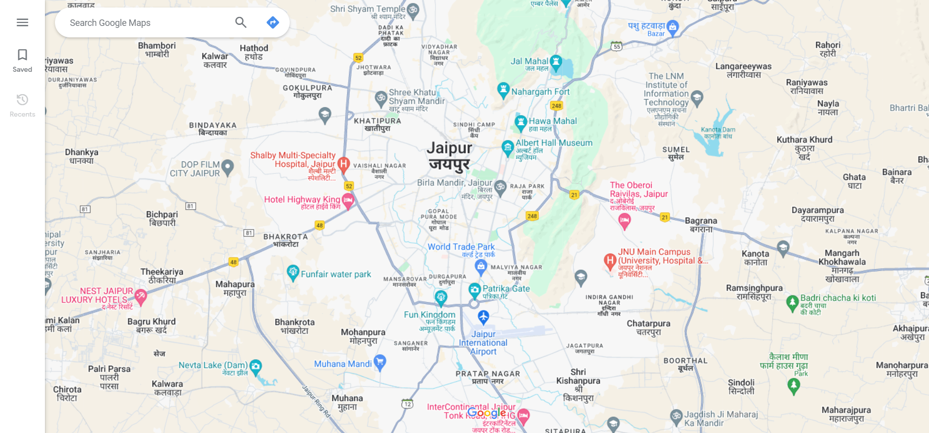
GOOGLEMAP BUG-3 | the location distance with time and root without providing start point location. | 1. Enter any existing location name into the Search text box field - <Refer Test Data> 2. Click on the button having search icon 3. Click on the direction displayed in the Search results. 4. do not enter start point location. 5.click on search button. | 1. A field level message 'enter your start point location' | Warning messsage is not getting displayed instead of this 'Delays Heavy traffic in this area No known road disruptions. Traffic incidents will show up here' displayed | minor | P2(Medium) | 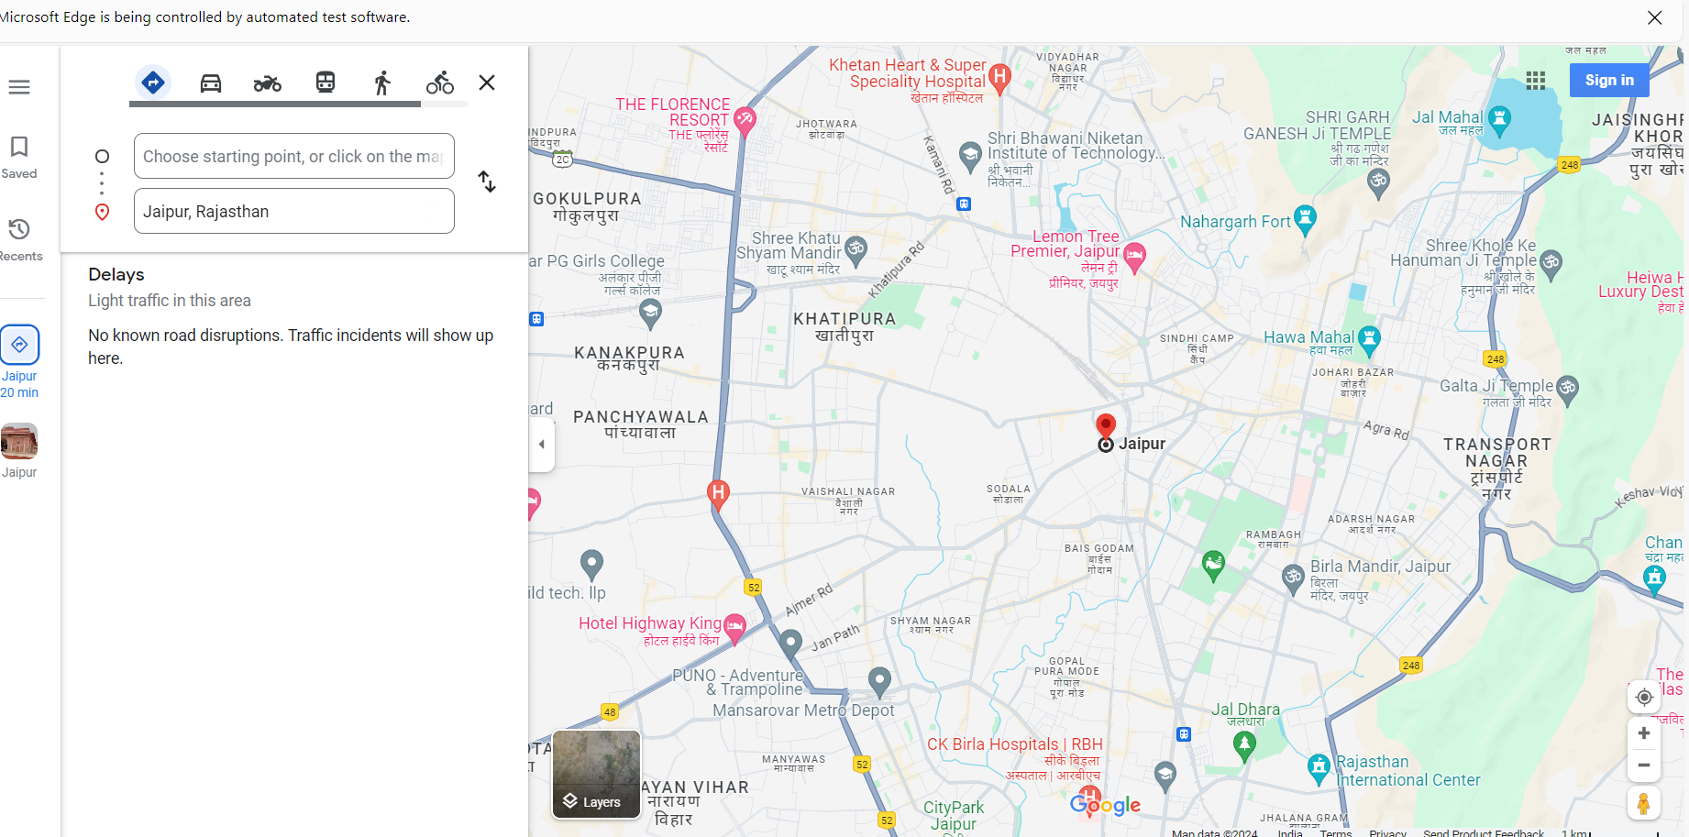
GOOGLEMAP BUG-4 | all the Password fields in the 'Change Password' page are marked as mandatory | 1. Click on 'Password' Right Column option 2. Check whether the Password fields in the displayed 'Change Password' page are marked as mandatory (Validate ER-1) | 1. All the fields in the 'Change Password' page should be marked as mandatory using the Red color * symbol | 1. All the fields in the 'Change Password' page are not marked as mandatory using the Red color * symbol | minor | P3(Medium) | 